Sheet1

This information can be found in the company's Annual Reports, accessible on its website. Press "control" + "F" to find the consolidated income statement, consolidated statement of earnings, or consolidated profit and loss statement, or similar.
 |  |  |  |  |  | Growth rate or average since 2016

 | 2016 | 2017 | 2018 | 2019 | 2020

Sales (aka Total Revenue, Total Net Revenue, Turnover) | $21,316 | $22,387 | $24,720 | $26,508 | $23,518 | 2%
sales growth |  | 5% | 10% | 7% | -11% | 3%

Earnings before tax and interest (aka EBIT, Operating Profit) | $4,172 | $4,135 | $3,883 | $4,078 | $1,562 | -18%

Profit margin (EBIT/Sales) | 20% | 18% | 16% | 15% | 7% | 15%

Pre-tax profit (aka Earnings before tax, EBT, PBT) | $4,199 | $4,318 | $5,780 | $4,466 | $1,164 | -23%
profit growth |  | 3% | 34% | -23% | -74% | -15%

Greggs Template
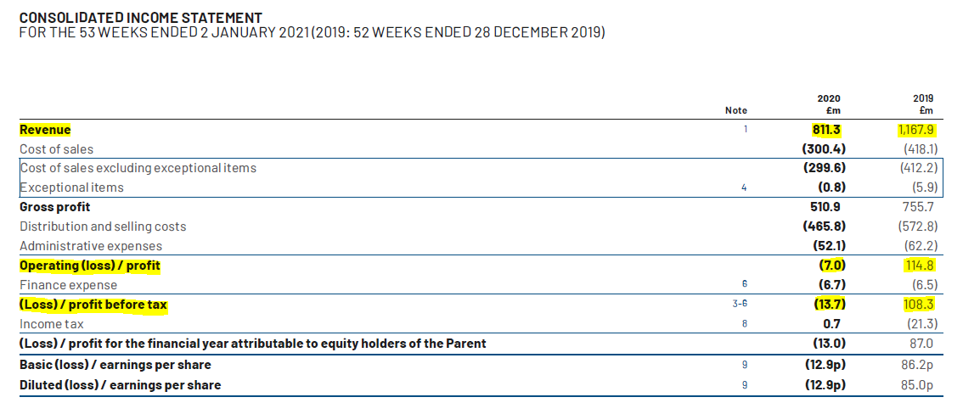
 |  |  |  |  |  | Growth rate or average since 2016

 | 2016 | 2017 | 2018 | 2019 | 2020

Sales (aka Total Revenue, Total Net Revenue, Turnover) | £894 | £960 | £1,029 | £1,168 | £811 | -2%
sales growth |  | 7% | 7% | 14% | -31% | -1%

Earnings before tax and interest (aka EBIT, Operating Profit) | £80 | £72 | £83 | £115 | -£7 | -161%

Profit margin (EBIT/Sales) | 9% | 8% | 8% | 10% | -1% | 7%

Pre-tax profit (aka Earnings before tax, EBT, PBT) | £80 | £72 | £83 | £108 | -£14 | -170%
profit growth |  | -10% | 15% | 30% | -113% | -19%

Sales
Profit Margin
Profits

Blank Template
 |  |  |  |  |  | Growth rate or average since 2016

 | 2016 | 2017 | 2018 | 2019 | 2020

Sales (aka Total Revenue, Total Net Revenue, Turnover) | £10 | £20 | £30 | £40 | £50 | 38%
sales growth |  | 100% | 50% | 33% | 25% | 52%

Earnings before tax and interest (aka EBIT, Operating Profit) | £5 | £10 | £15 | £20 | £25 | 38%

Profit margin (EBIT/Sales) | 50% | 50% | 50% | 50% | 50% | 50%

Pre-tax profit (aka Earnings before tax, EBT, PBT) | £3 | £5 | £8 | £10 | £13 | 38%
profit growth |  | 100% | 50% | 33% | 25% | 52%

Sales
Profit Margin
Profits

